Sheet1
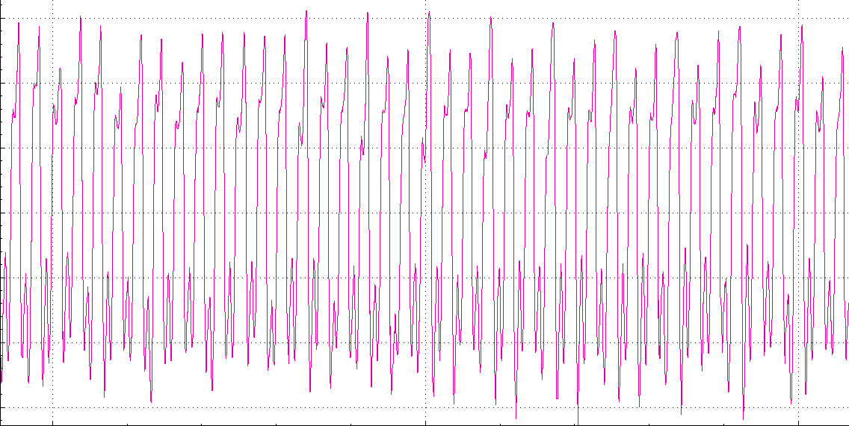
Breaker/ Post Driver Test Report

Date: | date/time2022-01-27 23:38:27 |  | Article Number: | ASIM56
Employee Code: | ASIM |  | Description:
 |  |  | Serial Number:

 | Min | Max | Actual
Temperature (0C)
Pressure (Bar)
Flow (LPM)
BPM

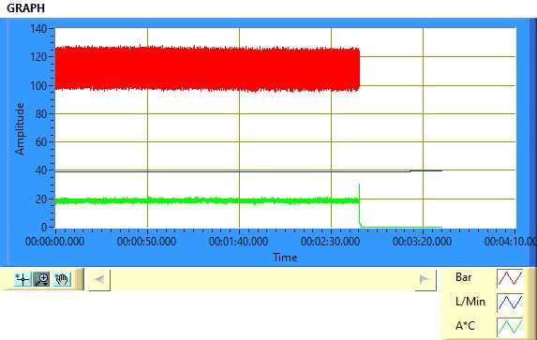
Result | OK
Rejection code (If NOK)
Graph

